Customer Request Template
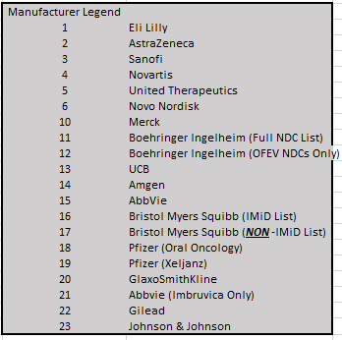
*Email this completed template to support@macrohelix.com in weekly batches
 |  | Choose either individual NDCs OR Entire Manufacturer from the legend |  | Remove from 340B Exclusion List (include for 340B qualification purposes) | Effective Date, up to 45 days in arrears OR frozen days, whichever is shorter (if left blank, we will use the date this form is processed) | Remove from 'Do Not Order' List (allow 340B ordering to resume). Effective date will be the date this form is processed
PID | PID Name | NDC | Entire MFR
99999 | *Example City Pharmacy |  | 12 | x | 2022-04-01 | x

